Graphics
2020 Monthly Rainfall
 | Agana Water | Agat | Andersen | Dededo | Inarajan AG | Inarajan Wtr | Mangilao | Merizo | Nimitz Hill | Ritidian | Northern Plant | Sinajana
JAN | 2.50 | 3.88 | 4.04 | 4.18 | 4.24 | 5.13 | 3.30 | 5.01 | 3.76 | 4.06 | 3.32 | 2.92
FEB | 3.31 | 3.11 | 6.51 | 5.51 | 2.78 | 2.84 | 3.43 | 3.83 | 4.10 | 5.40 | 3.56 | 3.10
MAR | 0.99 | 1.39 | 1.54 | 1.63 | 2.11 | 2.02 | 0.67 | 2.51 | 1.58 | 3.51 | 0.88 | 0.98
APR | 2.43 | 3.95 | 2.78 | 2.25 | 2.81 | 3.20 | 3.22 | 3.11 | 3.03 | 3.65 | 2.10 | 2.73
MAY | 7.15 | 9.11 | 6.48 | 9.61 | 7.07 | 8.31 | 4.91 | 6.73 | 8.03 | 6.45 | 6.16 | 8.18
JUN | 3.23 | 4.59 | 3.54 | 5.55 | 3.48 | 3.40 | 5.01 | 4.42 | 4.59 | 3.79 | 4.22 | 4.02
JUL | 7.97 | 8.97 | 5.12 | 7.14 | 9.03 | 8.11 | 6.79 | 8.32 | 7.56 | 4.29 | 4.34 | 6.72
AUG | 10.40 | 16.90 | 6.58 | 12.92 | 7.07 | 10.23 | 7.33 | 20.21 | 0.00 | 3.76 | 11.47 | 12.87
Rainfall as of Jan 1 2020
 | Agana Water | Agat | Andersen | Dededo | Inarajan AG | Inarajan Wtr | Mangilao | Merizo | Nimitz Hill | Ritidian | Northern Plant | Sinajana
SINCE JAN 1 | 37.98 | 51.90 | 36.59 | 48.79 | 38.59 | 43.24 | 34.66 | 54.14 | 32.65 | 34.91 | 36.05 | 41.52
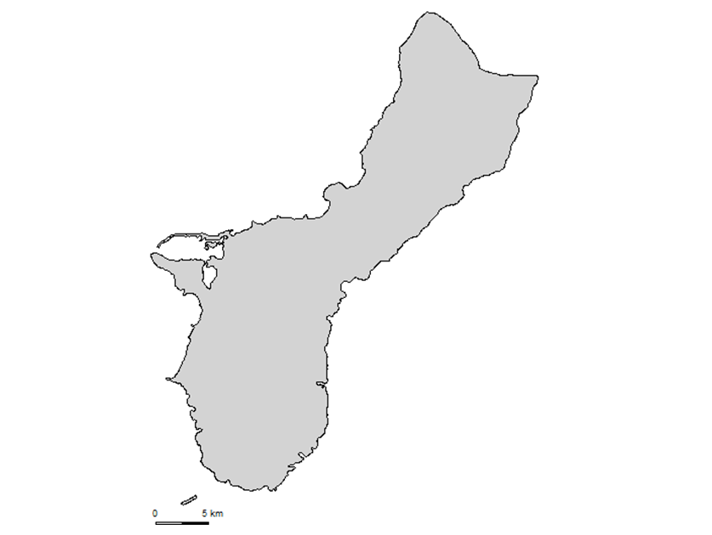
Agana Water 10.40
Agat 16.90
Andersen 6.58
Ritidian 3.76
Dededo 12.92
Nimitz Hill 0.00
Northern Plant 11.47
Toto 13.06
Sinajana 12.87
Merizo 20.21
Guam NWSO 12.68
Inarajan Wtr 10.23
Inarajan AG 7.07
AUG 2020 Rainfall Summary
Mangilao 7.33

